Sheet1
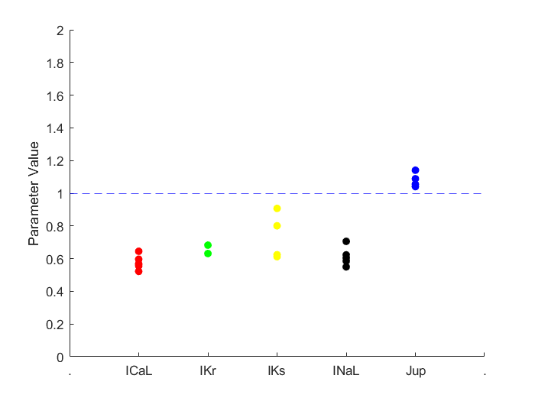
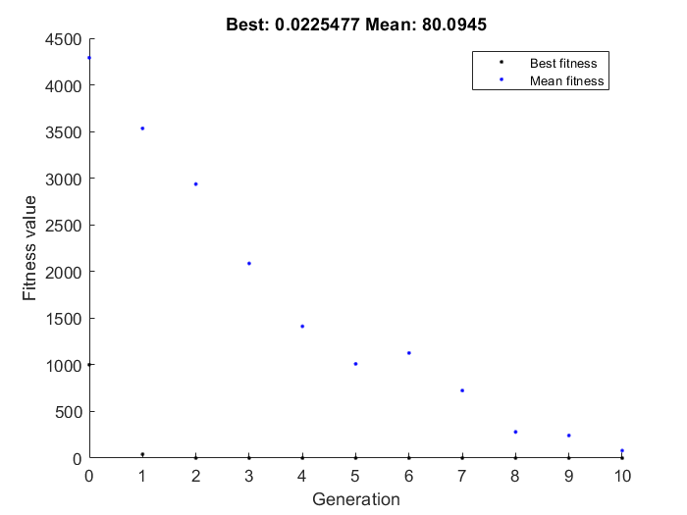
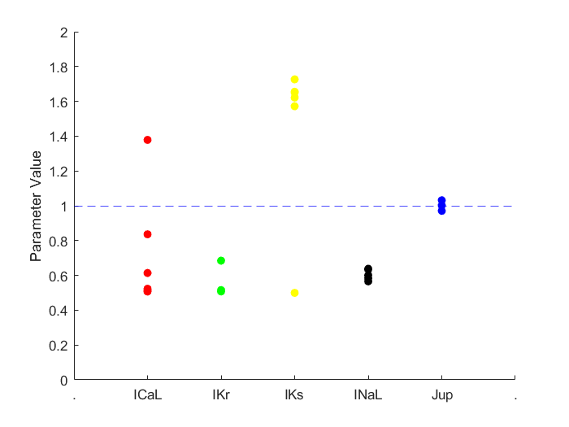
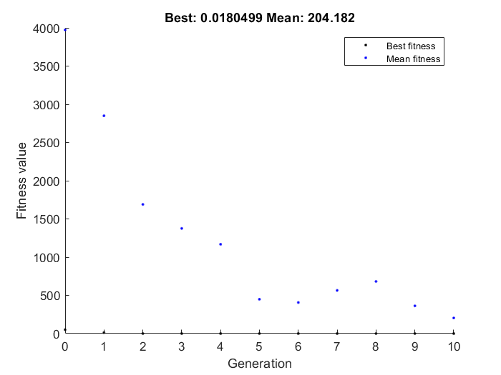
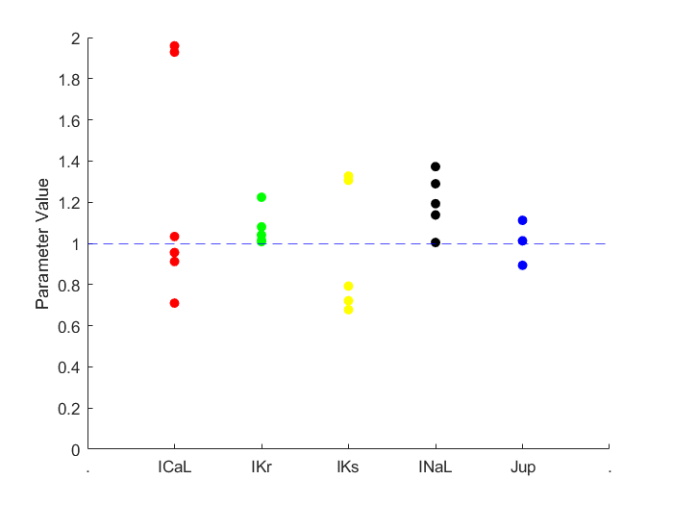
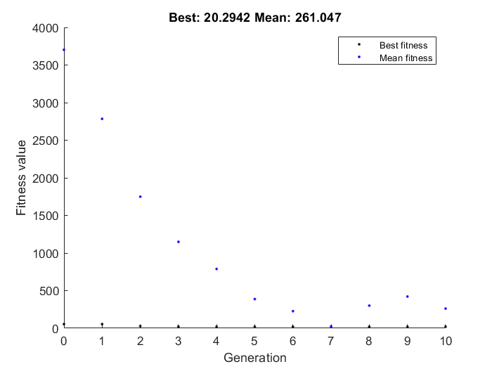
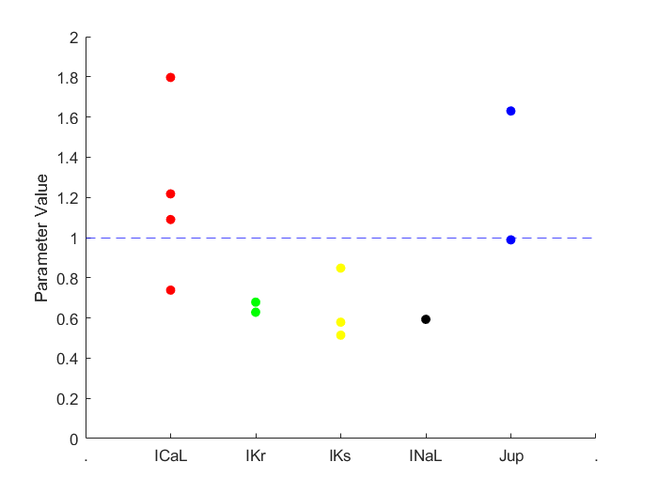
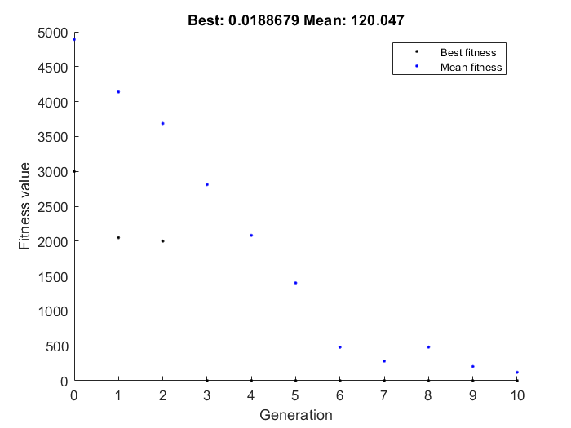
error = E_apd10 + E_apd50 + E_apd90 + E_CaTamp + E_CaT90 + E_CaT50 + E_CaT10 + E_maxV + E_EAD

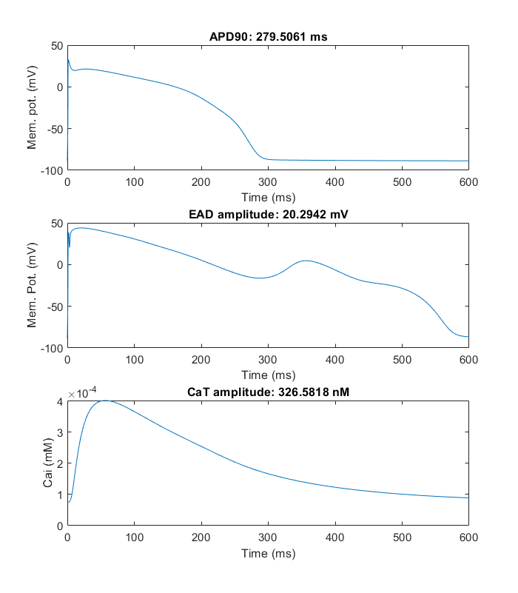
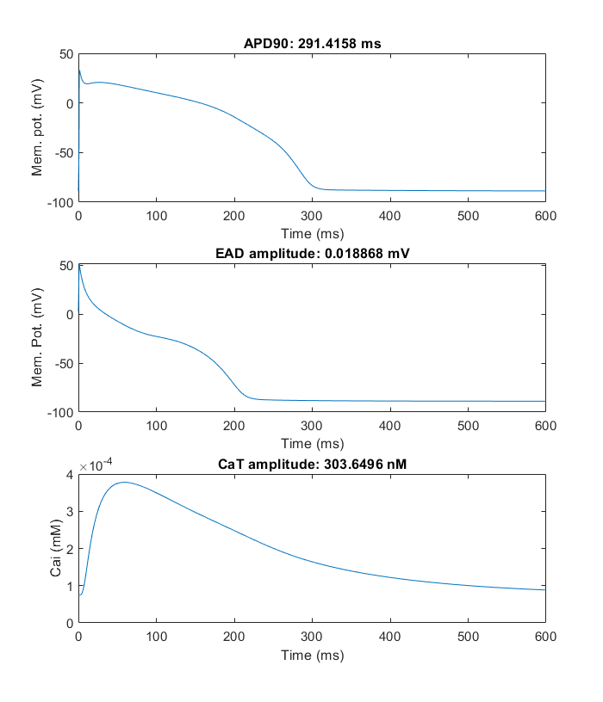
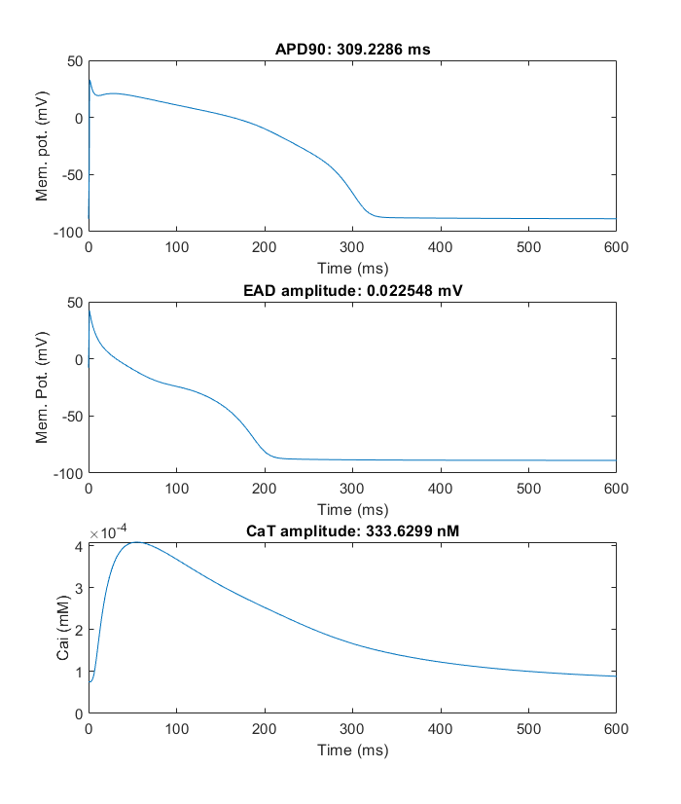
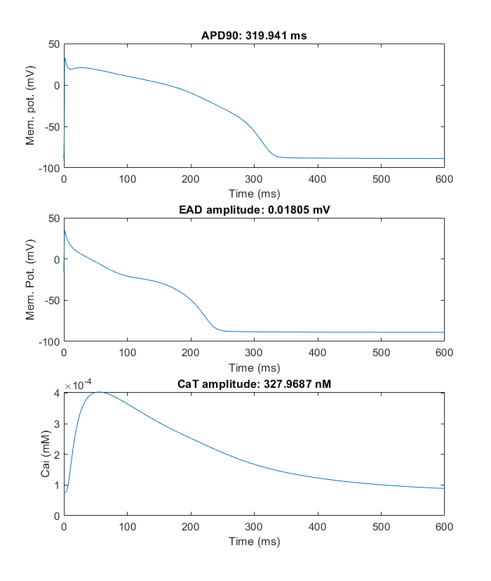
Trial 1 |  |  |  |  | Trial 2 |  |  |  |  | Trial 3 |  |  |  |  | Trial 4
ICaL | Ikr | Iks | INaL | Jup | ICaL | Ikr | Iks | INaL | Jup | ICaL | Ikr | Iks | INaL | Jup | ICaL | Ikr | Iks | INaL | Jup
-0.563443433 | -0.46033863706 | -0.49098839222 | -0.34848259883 | 0.039946389709 | 0.32105041674 | -0.67772832567 | 0.48349078719 | -0.53830866775 | 0.031240694357 | -0.092358400653 | 0.014661229771 | -0.23273789471 | 0.12927958899 | 0.01234713864 | -0.30312748691 | -0.3876824769 | -0.54656289019 | -0.52218054894 | -0.01143091169
0.5692455263 | 0.63106990566 | 0.61202117817 | 0.70575819593 | 1.0407549775 | 1.3785750824 | 0.50776916937 | 1.6217256319 | 0.58373470726 | 1.0317338065 | 0.91177830904 | 1.0147692328 | 0.79236122838 | 1.1380082543 | 1.0124236793 | 0.73850494066 | 0.67862778906 | 0.5789362621 | 0.59322557921 | 0.98863417295

-0.563443433 | -0.46033863706 | -0.49098839222 | -0.34848259883 | 0.039946389709 | 0.32105041674 | -0.67772832567 | 0.48349078719 | -0.53830866775 | 0.031240694357 | -0.092358400653 | 0.014661229771 | -0.23273789471 | 0.12927958899 | 0.01234713864 | -0.30312748691 | -0.3876824769 | -0.54656289019 | -0.52218054894 | -0.01143091169
-0.563443433 | -0.46033863706 | -0.49098839222 | -0.34848259883 | 0.039946389709 | 0.32105041674 | -0.67772832567 | 0.48349078719 | -0.53830866775 | 0.031240694357 | -0.092358400653 | 0.014661229771 | -0.23273789471 | 0.12927958899 | 0.01234713864 | -0.30312748691 | -0.3876824769 | -0.54656289019 | -0.52218054894 | -0.01143091169
-0.65000365 | -0.38221363706 | -0.49098839222 | -0.59848259883 | 0.053679409364 | -0.67894958326 | -0.67772832567 | 0.48349078719 | -0.53830866775 | 0.031240694357 | -0.092358400653 | 0.014661229771 | -0.23273789471 | 0.12927958899 | 0.01234713864 | -0.30312748691 | -0.3876824769 | -0.54656289019 | -0.52218054894 | -0.01143091169
-0.438443433 | -0.46033863706 | -0.22234357073 | -0.59848259883 | 0.053679409364 | -0.17894958326 | -0.67772832567 | 0.48349078719 | -0.53830866775 | 0.031240694357 | -0.092358400653 | 0.014661229771 | -0.23273789471 | 0.12927958899 | 0.01234713864 | 0.58608595883 | -0.3876824769 | -0.66482229354 | -0.52218054894 | -0.01143091169
-0.65000365 | -0.46033863706 | -0.22234357073 | -0.59848259883 | 0.053679409364 | -0.67894958326 | -0.67772832567 | 0.48349078719 | -0.53830866775 | 0.031240694357 | -0.092358400653 | 0.014661229771 | -0.23273789471 | 0.12927958899 | 0.01234713864 | -0.30312748691 | -0.3876824769 | -0.66482229354 | -0.52218054894 | -0.01143091169
-0.65000365 | -0.46033863706 | -0.49098839222 | -0.59848259883 | 0.053679409364 | -0.65551208326 | -0.67772832567 | 0.48349078719 | -0.53830866775 | 0.031240694357 | -0.092358400653 | 0.0085550571622 | -0.23273789471 | 0.12927958899 | 0.01234713864 | -0.30312748691 | -0.3876824769 | -0.66482229354 | -0.52218054894 | -0.01143091169
-0.65000365 | -0.46033863706 | -0.22234357073 | -0.59848259883 | 0.053679409364 | -0.17894958326 | -0.67772832567 | 0.48349078719 | -0.53830866775 | 0.031240694357 | -0.092358400653 | 0.014661229771 | -0.23273789471 | 0.12927958899 | 0.01234713864 | 0.58608595883 | -0.3876824769 | -0.66482229354 | -0.52218054894 | -0.01143091169
-0.563443433 | -0.46033863706 | -0.22234357073 | -0.34848259883 | 0.053679409364 | -0.67894958326 | -0.67772832567 | 0.54599078719 | -0.53830866775 | 0.031240694357 | -0.092358400653 | 0.014661229771 | 0.26726210529 | 0.12927958899 | 0.01234713864 | -0.30312748691 | -0.3876824769 | -0.66482229354 | -0.52218054894 | -0.01143091169
-0.563443433 | -0.46033863706 | -0.22234357073 | -0.34848259883 | 0.039946389709 | -0.67894958326 | -0.67772832567 | 0.48349078719 | -0.53830866775 | 0.031240694357 | -0.092358400653 | 0.014661229771 | 0.26726210529 | 0.12927958899 | 0.01234713864 | -0.30312748691 | -0.3876824769 | -0.54656289019 | -0.52218054894 | -0.01143091169
-0.563443433 | -0.46033863706 | -0.49098839222 | -0.59848259883 | 0.053679409364 | -0.17894958326 | -0.67772832567 | 0.48349078719 | -0.53830866775 | 0.031240694357 | -0.092358400653 | 0.014661229771 | -0.23273789471 | 0.12927958899 | 0.01234713864 | -0.30312748691 | -0.3876824769 | -0.66482229354 | -0.52218054894 | -0.01143091169
-0.563443433 | -0.46033863706 | -0.22234357073 | -0.34848259883 | 0.053679409364 | -0.65551208326 | -0.67772832567 | 0.48349078719 | -0.53830866775 | 0.031240694357 | -0.092358400653 | 0.0085550571622 | 0.26726210529 | 0.12927958899 | 0.01234713864 | -0.30312748691 | -0.3876824769 | -0.66482229354 | -0.52218054894 | -0.01143091169
-0.563443433 | -0.46033863706 | -0.49098839222 | -0.34848259883 | 0.053679409364 | 0.32105041674 | -0.67772832567 | 0.48349078719 | -0.53830866775 | 0.031240694357 | -0.092358400653 | 0.20216122977 | -0.32650131551 | 0.31677958899 | 0.01234713864 | -0.30312748691 | -0.3876824769 | -0.66482229354 | -0.52218054894 | -0.01143091169
-0.65000365 | -0.38221363706 | -0.49098839222 | -0.59848259883 | 0.053679409364 | -0.4881232153 | -0.67772832567 | 0.48349078719 | -0.45623497714 | 0.0016961295475 | -0.092358400653 | 0.014661229771 | 0.26726210529 | 0.12927958899 | 0.01234713864 | -0.30312748691 | -0.3876824769 | -0.66482229354 | -0.52218054894 | -0.01143091169
-0.563443433 | -0.38221363706 | -0.49098839222 | -0.34848259883 | 0.039946389709 | -0.67894958326 | -0.67772832567 | 0.48349078719 | -0.53830866775 | 0.031240694357 | -0.092358400653 | 0.0085550571622 | -0.38900131551 | 0.12927958899 | 0.01234713864 | -0.30312748691 | -0.3876824769 | -0.66482229354 | -0.52218054894 | -0.01143091169
-0.438443433 | -0.46033863706 | -0.47234357073 | -0.59848259883 | 0.053679409364 | -0.67894958326 | -0.67772832567 | 0.48349078719 | -0.53830866775 | 0.031240694357 | -0.34299469469 | 0.0085550571622 | 0.26726210529 | 0.12927958899 | 0.01234713864 | -0.30312748691 | -0.46422289497 | -0.54656289019 | -0.52218054894 | -0.01143091169
-0.65000365 | -0.46033863706 | -0.49098839222 | -0.59848259883 | 0.053679409364 | 0.32105041674 | -0.37897124795 | 0.48349078719 | -0.45623497714 | 0.031240694357 | -0.092358400653 | 0.0085550571622 | 0.26726210529 | 0.12927958899 | 0.01234713864 | -0.30312748691 | -0.3876824769 | -0.66482229354 | -0.52218054894 | -0.01143091169
-0.563443433 | -0.46033863706 | -0.49098839222 | -0.34848259883 | 0.053679409364 | -0.4881232153 | -0.67772832567 | -0.69385034238 | -0.45623497714 | 0.0016961295475 | -0.092358400653 | 0.014661229771 | -0.23273789471 | 0.12927958899 | 0.01234713864 | -0.30312748691 | -0.46422289497 | -0.66482229354 | -0.52218054894 | -0.01143091169
-0.438443433 | -0.46033863706 | -0.22234357073 | -0.59848259883 | 0.053679409364 | -0.67894958326 | -0.67772832567 | 0.54599078719 | -0.53830866775 | 0.031240694357 | -0.092358400653 | 0.0085550571622 | 0.26726210529 | 0.12927958899 | 0.01234713864 | -0.30312748691 | -0.3876824769 | -0.54656289019 | -0.52218054894 | -0.01143091169
-0.563443433 | -0.46033863706 | -0.49098839222 | -0.34848259883 | 0.039946389709 | -0.67894958326 | -0.67772832567 | 0.48349078719 | -0.53830866775 | 0.031240694357 | -0.092358400653 | 0.014661229771 | 0.26726210529 | 0.12927958899 | 0.01234713864 | -0.30312748691 | -0.3876824769 | -0.66482229354 | -0.52218054894 | -0.01143091169
-0.58750365 | -0.46033863706 | -0.49098839222 | -0.53598259883 | 0.039946389709 | -0.67894958326 | -0.67772832567 | 0.48349078719 | -0.53830866775 | 0.031240694357 | 0.65700530531 | 0.0085550571622 | 0.26726210529 | 0.12927958899 | 0.01234713864 | -0.30312748691 | -0.46422289497 | -0.66482229354 | -0.52218054894 | -0.01143091169
-0.65000365 | -0.46033863706 | -0.22234357073 | -0.59848259883 | 0.053679409364 | -0.17894958326 | -0.67772832567 | 0.48349078719 | -0.53830866775 | 0.031240694357 | -0.34299469469 | 0.014661229771 | -0.23273789471 | 0.12927958899 | 0.01234713864 | -0.30312748691 | -0.3876824769 | -0.54656289019 | -0.52218054894 | -0.01143091169
-0.516568433 | -0.46033863706 | -0.097343570728 | -0.50473259883 | 0.084929409364 | 0.32105041674 | -0.67772832567 | 0.45224078719 | -0.53830866775 | 0.031240694357 | 0.67263030531 | 0.077161229771 | 0.28288710529 | 0.25427958899 | 0.10609713864 | 0.58608595883 | -0.3876824769 | -0.16482229354 | -0.52218054894 | -0.01143091169
-0.57187865 | -0.46033863706 | -0.097343570728 | -0.59848259883 | 0.053679409364 | -0.67894958326 | -0.67675176317 | 0.50106891219 | -0.56955866775 | 0.031240694357 | -0.045483400653 | 0.039805057162 | 0.26726210529 | 0.17615458899 | -0.11265286136 | 0.086085958831 | -0.46422289497 | -0.16482229354 | -0.52218054894 | 0.48856908831
-0.65000365 | -0.46033863706 | -0.22234357073 | -0.47348259883 | 0.053679409364 | -0.67016052076 | -0.66210332567 | 0.48349078719 | -0.50998835525 | -0.029553870453 | 0.032641599347 | 0.014661229771 | -0.23273789471 | 0.12927958899 | 0.01234713864 | -0.30312748691 | -0.3876824769 | -0.16482229354 | -0.52218054894 | -0.01143091169
-0.57187865 | -0.38221363706 | -0.097343570728 | -0.47348259883 | 0.13180440936 | -0.64769958326 | -0.67772832567 | 0.50399859969 | -0.44939903964 | 0.031240694357 | -0.34299469469 | 0.0085550571622 | 0.26726210529 | 0.0042795889911 | 0.10609713864 | 0.19687251309 | -0.3876824769 | -0.66482229354 | -0.52218054894 | -0.01143091169

